Overview
XN-IL, labeled with DyLight488, 0.1 mg/ml
glycan array chip from Semiotik LLC
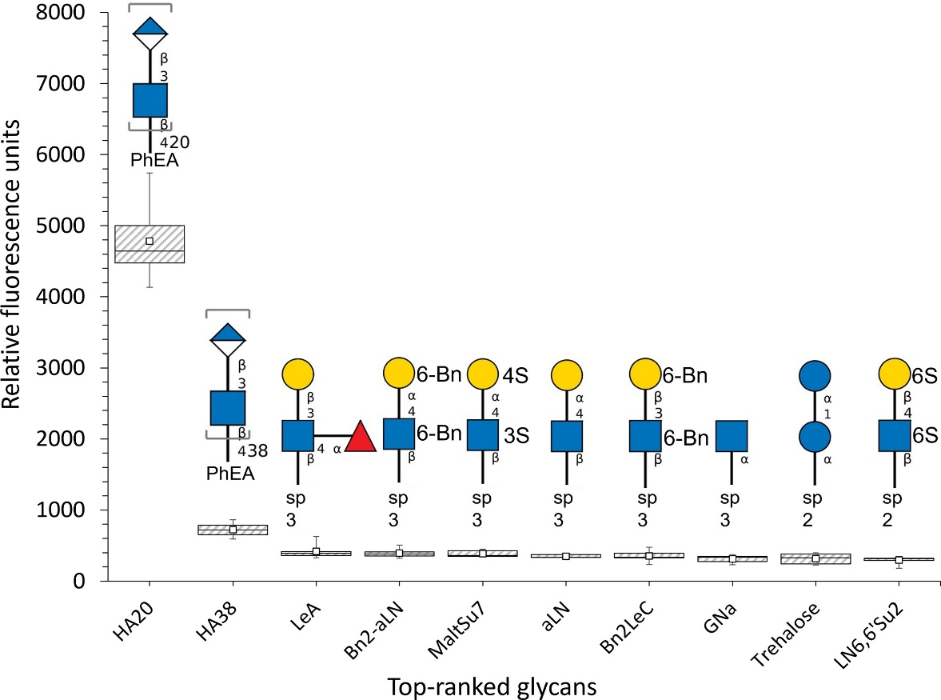

Box and whiskers plot for glycan array screening of XN-IL fluorescently labelled with DyLight 488 NHS ester, showing the top 10 glycans out of 381 tested. Depiction of individual responses belonging to immobilized glycans ranked by their relative fluorescence responses. The top and bottom part of each box plot represent the first and third quartiles, respectively, while the line in the middle represents the median and the white square represents the mean value of relative fluorescence units. | Bn: benzyl protective group
 | S- O-sulfation
 | sp2: -CH2CH2NH2
 | sp3: (CH2)3NH2
 | PhEA: -NH-(p-C6H4)-CH2CH2NH2

